Model Description
Technicolor COM3000 Models |  | Description
COM400 |  | 3 RU Chassis with 6 slots for Receiver cards & two for QAM20
QAM20 |  | 16 carrier Edge QAM upgradable to a total of 48 carriers
SWQAM2 | Software Key | Software key to activate 2 QAM carriers on QAM20, Max 16 keys per device
COM51 | 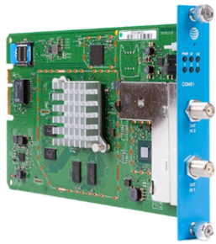 | 8 channel HD Pro:Idiom receiver card for reception of DIRECTV HD Programs. Upgradeable to 23 channels using SWCOM51 tuner licenses
SWCOM51 | Software Key | Software key to activate 1 tuner on a COM51, Max 15 per device
NTSC-8 |  | One RU 8 channel NTSC (analog) air to IP receiver for COM Systems

